Agarose gel
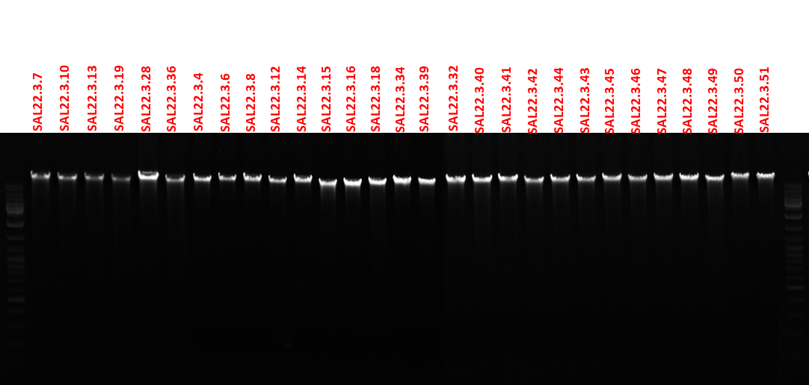
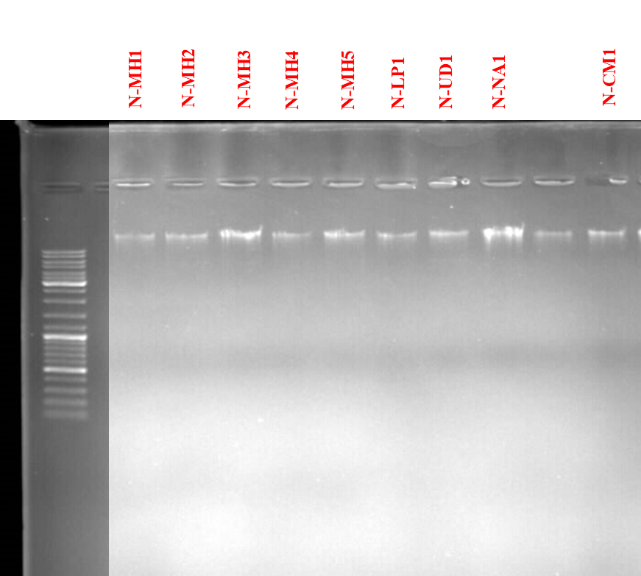
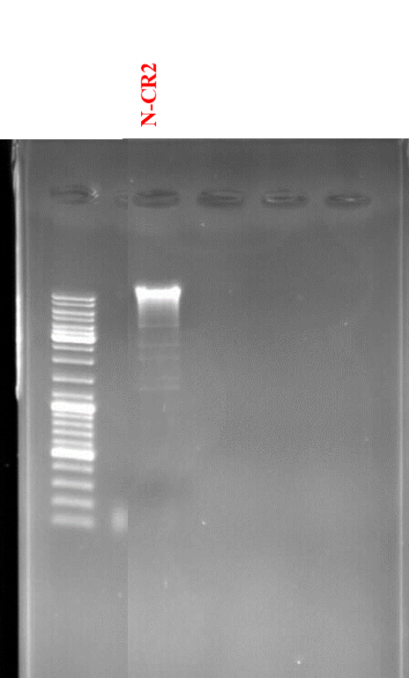
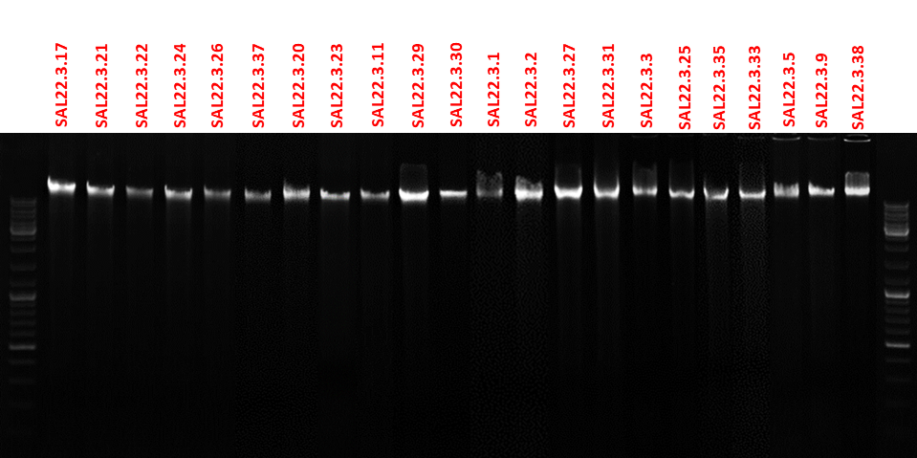

*ตัวอย่างการกรอกข้อมูล
สามารถลบออกแล้ว เพิ่มข้อมูลตัวอย่างของท่าน

